Sheet1
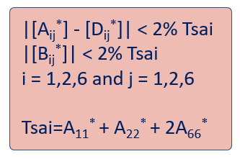
QUAD TO DD DIRECT CONVERSION TOOL |  |  |  |  |  |  |  |  |  |  | EXACT CONVERSION |  |  |  |  | HOMOGENIZATION CRITERION:
© A. Miravete, S.W. Tsai
V₂*

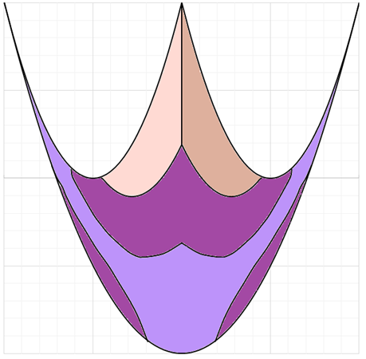
INPUT OF SYMMETRIC QUAD
TOP HALF | -45 | 0 | 45 | 90 |  | Material selection
# OF PLIES | 1 | 1 | 1 | 1
 |  |  |  |  |  | T3/N52

V₁*
OUTPUT | QUAD |  |  |  | 10% RULE OK |  |  |  |  |  |  |  |  |  |  | QUAD
 | # of plies: |  |  |  | 8 |  |  |  |  |  |  |  |  |  |  | DD
 | LAMINATE: |  |  |  | NEUTRAL |  |  |  |  |  |  |  |  |  |  |  |  | EXACT CONVERSION

 | DOUBLE-DOUBLE |  |  |  |  |  |  |  |  |  |  |  |  |  |  |  |  |  | 76 | 23 | 0
 | LAMINATE: |  |  |  | NEUTRAL |  |  |  |  |  |  |  |  |  |  |  | [A*]QUAD |  | 23 | 76 | 0
 |  |  |  | F | 22.50 |  |  |  |  |  |  |  |  |  |  |  | (GPa) |  | 0 | 0 | 27
 |  |  |  | Y | 67.50
 | SEQUENCE: |  |  |  | STAGGERED 1 |  |  |  |  |  |  |  |  |  |  |  |  |  | 76 | 23 | 0
 |  |  |  |  | [67.5/-22.5/-67.5/22.5]2T |  |  |  |  |  | QUAD: | V1* | 0.00 | V2* | 0.00 |  | [A*]DD |  | 23 | 76 | 0
 |  |  |  |  |  |  |  |  |  |  | DD: | V1* | 0.00 | V2* | 0.00 |  | (GPa) |  | 0 | 0 | 27

 |  |  |  |  | ANALYSIS MODULE
 |  |  |  |  |  |  |  |  | 0.00 |  |  |  |  |  |  |  | Materials!$A$9 | Materials!$B$9 | Materials!$C$9 | Materials!$D$9 | Materials!$E$9 | Materials!$F$9
 |  |  |  |  |  | 8.00 |  |  | 0.00 | 0.70710678119
 |  |  |  |  |  | Materials!$A$43 |  |  |  | 22.499947385 | 2
 |  |  |  |  |  | Materials!$B$43 |  |  |  | 67.499842156 |  |  |  |  |  |  | T3/N52 | 181 | 10.3 | 0.28 | 7.17 | 125
 |  |  |  |  |  | Materials!$A$44
 |  |  | 22.499947385 | 67.499842156

 |  |  |  |  |  |  |  |  |  |  |  |  |  |  |  |  | Ex | 181.00
 |  |  |  |  |  |  |  |  |  |  |  |  |  |  |  |  | Ey | 10.30
 |  |  |  |  |  |  |  |  |  |  |  |  |  |  |  |  | nu/x | 0.28
 |  |  | 4*J7*J7-4*J7+1 |  |  |  |  |  |  |  |  |  |  |  |  |  | Es | 7.17
 |  |  | 4*G8*G8+4*G8+1 |  |  |  |  |  |  |  |  |  |  |  |  |  | ho,E-6 | 125

 |  |  | 0.25 | 0.25 | 0.25 | 0.25 |  |  |  | 0.00 | 0.00 | 1 |  |  |  |  | Plane stress stiffness Gpa
INVARIANTS |  |  |  |  |  |  |  |  |  |  |  |  |  |  |  |  | Qxx | 181.81
76.36822 | U1 |  | 39.42086 |  |  |  |  |  |  |  |  |  |  |  |  |  | Qyy | 10.35
85.73249 | U2 |  | 85.732 |  |  |  |  |  |  |  |  |  |  |  |  |  | Qxy | 2.90
19.71043 | U3 |  | 85.732490057 |  |  |  |  |  |  |  |  |  |  |  |  |  | Qss | 7.17
22.60736 | U4 |  |  |  |  |  |  |  |  |  |  |  |  |  |  |  | Linear combinations,
26.88043 | U5 |  | #NUM! |  |  |  |  |  |  |  |  |  |  |  |  |  | U1 | 76.37
 |  |  | #NUM! |  |  |  |  |  |  |  |  |  |  |  |  |  | U2 | 85.73
181.81114 |  |  |  |  |  |  |  |  |  |  |  |  |  |  |  |  | U3 | 19.71
76.368217701 |  |  |  |  |  |  |  |  |  |  |  |  |  |  |  |  | U4 | 22.61
 |  | -67.5 | [67.5/-22.5/-67.5/22.5]2 |  |  |  |  |  |  |  |  |  |  |  |  |  | U5=G^iso | 26.88
 |  | -22.5
67.5 | -67.5 |  | [67.5 | [67.5/ | [67.5/-22.5 | [67.5/-22.5/ | [67.5/-22.5/-67.5 | [67.5/-22.5/-67.5/ | [67.5/-22.5/-67.5/22.5 | [67.5/-22.5/-67.5/22.5] | [67.5/-22.5/-67.5/22.5]2 | [67.5/-22.5/-67.5/22.5]2T
22.5 | -22.5 |  | [67.5 | [67.5/ | [67.5/-22.5 | [67.5/-22.5/ | [67.5/-22.5/22.5 | [67.5/-22.5/22.5/ | [67.5/-22.5/22.5/-67.5 | [67.5/-22.5/22.5/-67.5] | [67.5/-22.5/22.5/-67.5]2 | [67.5/-22.5/22.5/-67.5]2T
 |  | / | [22.5 | [22.5/ | [22.5/-67.5 | [22.5/-67.5/ | [22.5/-67.5/67.5 | [22.5/-67.5/67.5/ | [22.5/-67.5/67.5/-22.5 | [22.5/-67.5/67.5/-22.5] | [22.5/-67.5/67.5/-22.5]2 | [22.5/-67.5/67.5/-22.5]2T
 |  | [
 |  | ]
 |  | T
 |  | 2 |  | [67.5/-22.5/-67.5/22.5]2
 |  |  |  | [67.5/-22.5/22.5/-67.5]2 |  |  | v1 | -0.000003 |  | 0
22.499947385 | 67.50 |  |  | [22.5/-67.5/67.5/-22.5]2 |  |  | v2 | 0.000004 |  | 0
0 | 0 |  |  |  |  |  |  |  |  | 0
22.499947385 | 67.499842156 |  |  | (80/-60/-80/60)4T |  |  |  |  |  | 0
0 | 0 |  |  | (80/-60/60/-80)4T |  |  |  |  |  | 0
67.500052615 | 22.500157844 |  |  | (60/-80/80/-60)4T
67.500052615 | 22.500157844
22.500000 | 67.5
67.500000 | 22.5

A11* | 76.368217701

Materials
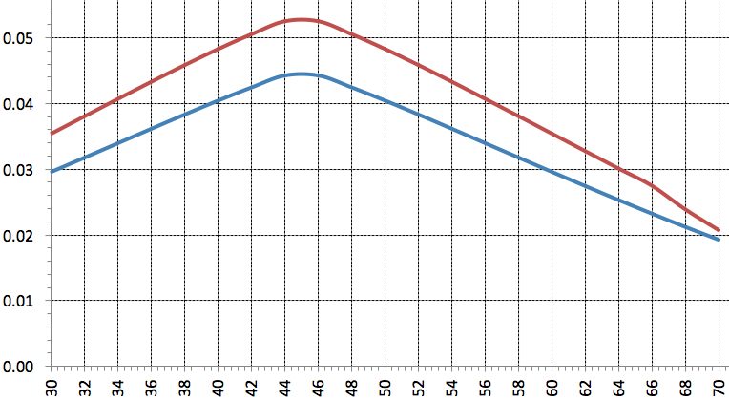
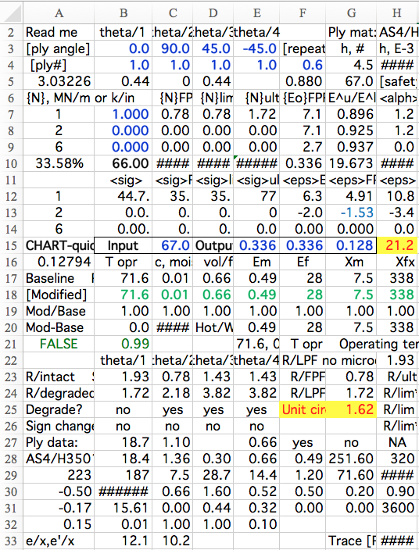
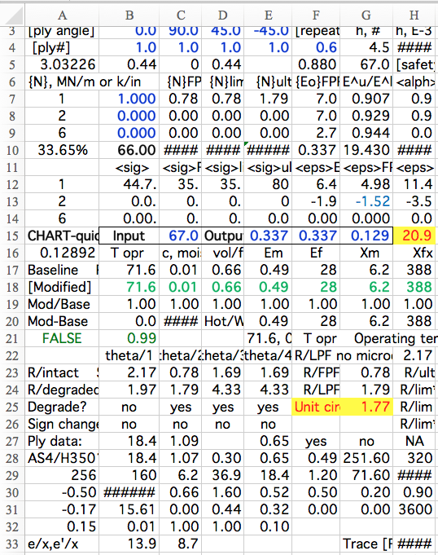
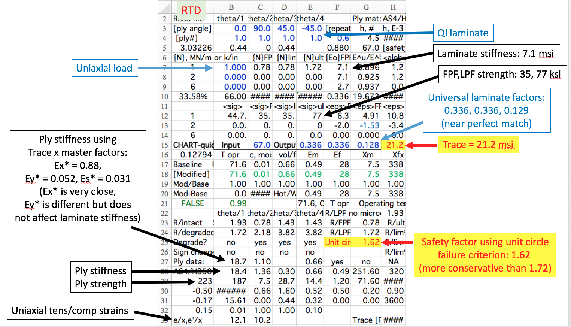
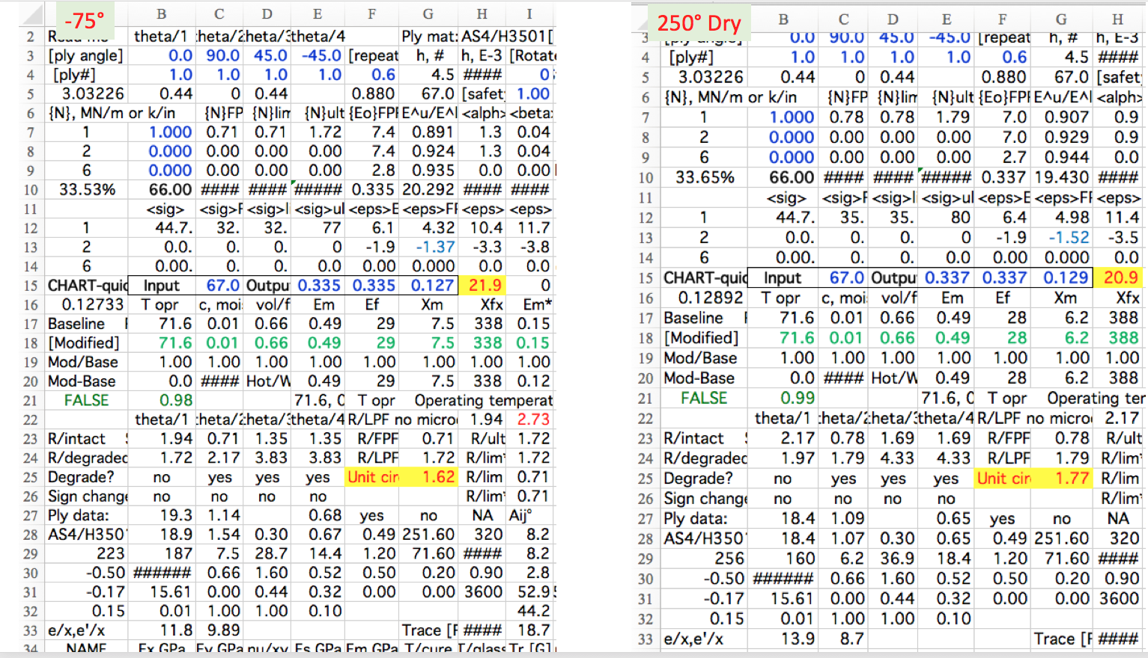
NAME[SI] | Ex,GPa | Ey,GPa | nu/xy | Es,GPa | ho,E-6m | Menu Materials
AS4/H3501 | 138 | 8.96 | 0.3 | 7.1 | 125 | Material1
AS4/PEEK | 134 | 8.9 | 0.3 | 5.1 | 125 | AS4/H3501
B4/N55 | 204 | 18.5 | 0.2 | 5.6 | 125 | AS4/PEEK
IM6/ep | 203 | 11.2 | 0.3 | 8.4 | 125 | B4/N55
Kevlar/ep | 76 | 5.5 | 0.3 | 2.3 | 125 | IM6/ep
Scotch | 38.6 | 8.27 | 0.3 | 4.1 | 125 | Kevlar/ep
T3/F93 | 148 | 9.65 | 0.3 | 4.6 | 125 | Scotch
T3/N52 | 181 | 10.3 | 0.3 | 7.2 | 125 | T3/F93
Aluminum | 68.9 | 68.9 | 0.3 | 26.5 | 125 | T3/N52
C-Ply 55 | 121 | 8 | 0.3 | 4.7 | 125 | Aluminum
C-Ply 64 | 140.8 | 9.3 | 0.3 | 5.8 | 125 | C-Ply 55
IM7/977 | 191 | 9.94 | 0.4 | 7.8 | 125 | C-Ply 64
T800/Cyt | 162.00 | 9.00 | 0.4 | 5.0 | 125 | IM7/977
Master ply | 88.00 | 5.20 | 0.32 | 3.10 | 125 | T800/Cyt
IM7/8552 | 171 | 9.08 | 0.3 | 5.3 | 125 | Master ply
IM7/MTM | 175 | 8.2 | 0.3 | 5.5 | 125 | IM7/8552
T7/2510 | 126 | 8.4 | 0 | 4.2 | 125 | IM7/MTM
T650/ep | 139 | 9.4 | 0 | 5.5 | 125 | T7/2510
IM7/8552' | 159 | 8.96 | 0 | 5.5 | 125 | T650/ep
T4708/MR | 142 | 7.72 | 0 | 3.8 | 125 | IM7/8552'
IM7/M | 128 | 7.93 | 0.3 | 3.56 | 125 | T4708/MR
T8S/3900 | 151.0 | 8.2 | 0.3 | 4.0 | 125 | IM7/M
T650/ep fabric | 67.3 | 68.5 | 0.06 | 5.65 | 125 | T8S/3900
IM7/M | 128 | 7.93 | 0.3 | 3.56 | 125 | T650/ep fabric
Steel | 206.7 | 206.7 | 0.3 | 79.5 | 125 | IM7/M
T3/N52 Thin ply | 181 | 10.3 | 0.3 | 7.2 | 125 | Steel
M T40/1564 | 115.0 | 9.0 | 0.4 | 4.0 | 125 | T3/N52 Thin ply
New1 | Ex,GPa | Ey,GPa | nu/xy | Es,GPa | ho,E-6m | M T40/1564
New2 | Ex,GPa | Ey,GPa | nu/xy | Es,GPa | ho,E-6m | New1
New3 | Ex,GPa | Ey,GPa | nu/xy | Es,GPa | ho,E-6m | New2
New4 | Ex,GPa | Ey,GPa | nu/xy | Es,GPa | ho,E-6m | New3
New5 | Ex,GPa | Ey,GPa | nu/xy | Es,GPa | ho,E-6m | New4
 |  |  |  |  |  | New5

